PQ Data Flow (delete)
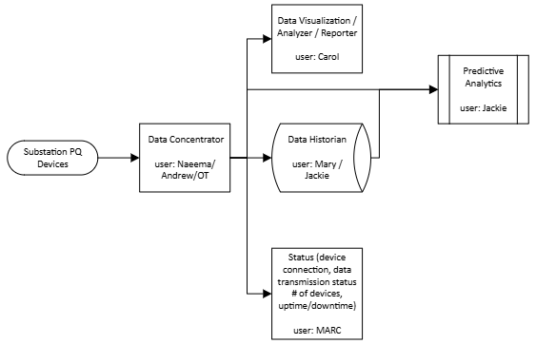

Data Quality Checker/Status

PMU demo notes:
EPG software - connection status, meta data, signals getting collected, real-time data to check data quality, timestamp, real-time trending, sample rate, output name configured by user, comm settings, data format (reference industry standard), GPS coordinates, data diagnostics (missing, first/last timestamps, etc.), output: uptime/downtime, signals, data and data output location, comms settings
DataNext - data quality, server IP, IEEE checks, integrate meter mapping check questions

